Introduction
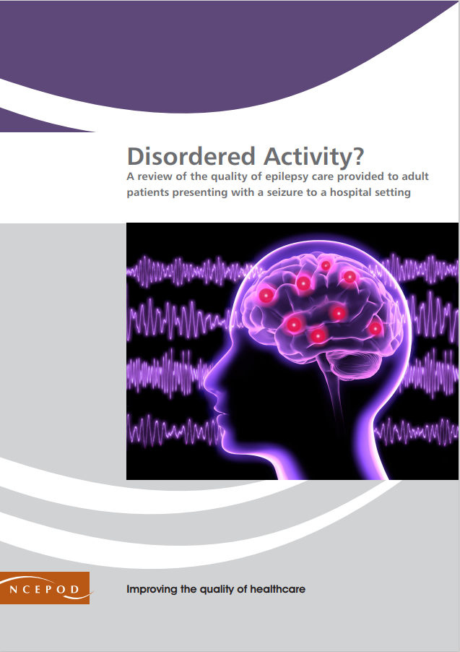
https://www.ncepod.org.uk/2022epilepsy.html

Epilepsy
Audit Toolkit

To be completed for patients aged 18 years or over who presented to a hospital setting following a seizure and who had a pre-existing epilepsy disorder or were subsequently diagnosed with epilepsy Patients discharged from the emergency department and those admitted to hospital were included Exclusions in the report: patients with dissociative seizure disorders and acute symptomatic seizures first seizure/undiagnosed patients who were not subsequently diagnosed with epilepsy

Thank you for downloading the toolkit for ''Disordered Activity?". We hope you find this useful. If you have any feedback, please email us at info@ncepod.org.uk Please could you advise your local audit department if you plan to undertake this audit. It is important that they are made aware of it for the benefit of demonstrating Trust/Health Board activity and also so that they are in a position to support you and endorse the activity for your benefit.
Please complete as many questions which are applicable to the care of the patient.
For information on the recommendation to which each question assesses, please click on the button
This toolkit can be used in conjunction with the Recommendation Checklist. This can be found by clicking on the adjacent report image or this link:
https://www.ncepod.org.uk/2022epilepsy.html

Summary
Extent to which each recommendation has been met (%)
Recommendation - Sub criteria question number (reference only)
1 | 2 | 3 | 4 | 7 | 8 | 9 | 10 | 11 | 12 | 13 | 14 | RAG system (NCEPOD recommends these are set at the following limits, however these can be adapted by your Trust/Health Board where appropriate by amending the thresholds as required) | %
5 | 6 | 7b | 8c | 9b | 10 | 11 | 12 | 13bi | 14bi | 15aii | 16bi
 |  | 7c |  |  |  |  |  | 13bii | 14bii | 15aiii | 16bii
 |  |  |  |  |  |  |  | 13biii | 14biii | 15aiv | 16biii
 |  |  |  |  |  |  |  | 13biv | 14biv | 15av | 16biv
 |  |  |  |  |  |  |  |  |  | 15avi | 16bv | Green | 100
 |  |  |  |  |  |  |  |  |  | 15avii | 16bvi | Amber | 50-99
 |  |  |  |  | Sub criteria score and average per report recommendation below |  |  |  |  | 15bii | 16ci | Red | 0-49
 |  |  |  |  |  |  |  |  |  | 15biii | 16cii
(the chart will only populate once all questions in the Audit Tool worksheet have been answered for each Recommendation) |  |  |  |  |  |  |  |  |  | 15biv
 |  |  |  |  |  |  |  |  |  | 15bv
 |  |  |  |  |  |  |  |  |  | 15bvi
 |  |  |  |  |  |  |  |  |  | 15bvii

Recommendation - Sub criteria questions (score)
1 | 2 | 3 | 4 | 7 | 8 | 9 | 10 | 11 | 12 | 13 | 14
No data | No data | No data | No data | No data | No data | No data | No data | No data | No data | No data | No data
 |  | No data |  |  |  |  |  | No data | No data | No data | No data
 |  |  |  |  |  |  |  | No data | No data | No data | No data
 |  |  |  |  |  |  |  | No data | No data | No data | No data
 |  |  |  |  |  |  |  |  |  | No data | No data
 |  |  |  |  |  |  |  |  |  | No data | No data
 |  |  |  |  |  |  |  |  |  | No data | No data
 |  |  |  |  |  |  |  |  |  | No data | No data
 |  |  |  |  |  |  |  |  |  | No data
 |  |  |  |  |  |  |  |  |  | No data
 |  |  |  |  |  |  |  |  |  | No data
 |  |  |  |  |  |  |  |  |  | No data

Average % of recommendation
1 | 2 | 3 | 4 | 7 | 8 | 9 | 10 | 11 | 12 | 13 | 14
No data | No data | No data | No data | No data | No data | No data | No data | No data | No data | No data | No data

